Community Investment
Mirvac Limited 2022 Sustainability Reporting

Mirvac | Community Investment
All figures verified by B4SI

Mirvac has a community goal to leave a positive legacy and we do this by building strong bonds. Building strong bonds helps us to strengthen community connections, and after 50 years in the business, we know that connected communities are better places to live, work and play.

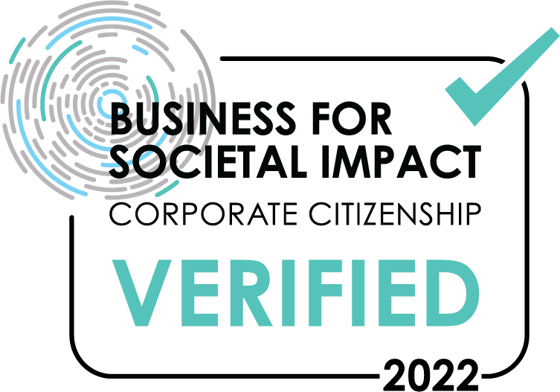
 | The B4SI Framework is a robust measurement standard that Mirvac applies to understand the difference our contributions make to our business, our communities and our society. The traditional B4SI Framework, first developed by Corporate Citizenship and 6 leading companies over 25 years ago, is now the defacto industry-leading standard for measuring corporate social impact. It offers Mirvac a consistent and credible approach to measurement which enables us to benchmark against our peers and strategically assess our community programmes.

Community Investment |  | FY18 | FY19 | FY20 | FY21 | FY22
Cash donations |  | $1,827,573 | $12,949,691 | $7,647,531 | $5,546,829 | $7,986,582
Value of staff time |  | $285,600 | $951,967 | $743,036 | $563,062 | $1,038,139
In-kind donations |  | $22,995 | $836,566 | $14,698 | $164,125 | $198,710
Management costs |  | $1,037,151 | $1,401,307 | $909,240 | $695,539 | $397,260
Total Investment |  | $3,173,319 | $16,139,531 | $9,314,504 | $6,969,555 | $9,620,691

In addition to verified figures, Mirvac also reported the following outputs in our submission.
Leverage* |  | $432,303 | $728,218 | $1,080,028 | $201,445 | $646,620

*leverage refers to additional third-party contributions facilitated by the company

